global correlation
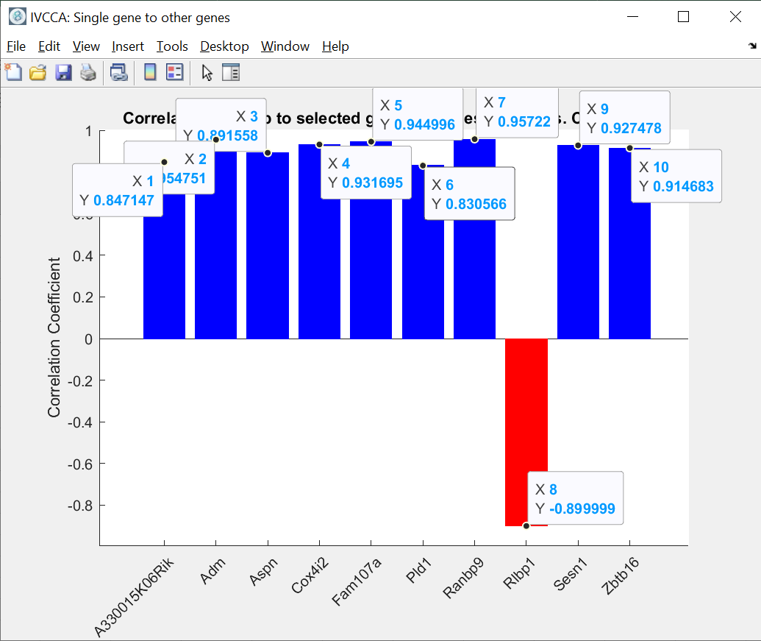
gene | correlation | correlation to txnip
A330015K06Rik | 0.8076 | 0.85
Zbtb16 | 0.7992 | 0.95
Sesn1 | 0.7983 | 0.89
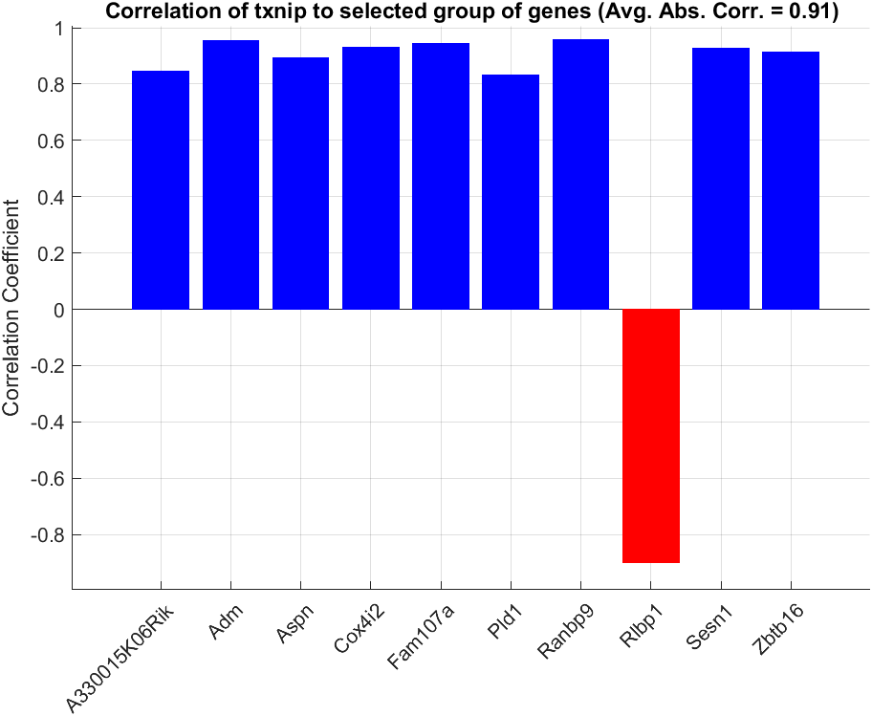
Pld1 | 0.7933 | 0.93
Rlbp1 | 0.7929 | 0.94
Aspn | 0.7916 | 0.83
Fam107a | 0.79 | 0.96
Adm | 0.7888 | 0.93
Cox4i2 | 0.7884 | 0.91
Ranbp9 | 0.788
Etnppl | 0.7842
Setdb2 | 0.784
Fabp7 | 0.7817
Dcxr | 0.7815
H2-Ab1 | 0.7783
Gm42047 | 0.7775
Cdkl3 | 0.7754
Cfh | 0.7751
Galnt16 | 0.7722
Prodh | 0.7711

GO_FDR 0.05 biol function
GO: Biological Functions (top 25)
Gene set | Description | Type | Enrichment score | P-value | FDR step up | Rich factor | Genes in set | Genes in list | Genes not in list | Genes in list, not in set | Genes not in list, not in set
GO:0042127 | regulation of cell population proliferation | biological_process | 23.773 | 4.74E-11 | 1.48E-07 | 0.0348837 | 1548 | 54 | 1494 | 199 | 17164
GO:2000026 | regulation of multicellular organismal development | biological_process | 19.6238 | 3.00E-09 | 6.57E-06 | 0.0342772 | 1342 | 46 | 1296 | 207 | 17362
GO:0006952 | defense response | biological_process | 19.4224 | 3.67E-09 | 7.31E-06 | 0.0393617 | 940 | 37 | 903 | 216 | 17755
GO:2000145 | regulation of cell motility | biological_process | 17.9833 | 1.55E-08 | 2.26E-05 | 0.0379747 | 948 | 36 | 912 | 217 | 17746
GO:0051270 | regulation of cellular component movement | biological_process | 17.2502 | 3.22E-08 | 3.98E-05 | 0.036239 | 1021 | 37 | 984 | 216 | 17674
GO:0010941 | regulation of cell death | biological_process | 17.2351 | 3.27E-08 | 3.98E-05 | 0.0306059 | 1601 | 49 | 1552 | 204 | 17106
GO:0040012 | regulation of locomotion | biological_process | 16.8339 | 4.89E-08 | 5.35E-05 | 0.0362903 | 992 | 36 | 956 | 217 | 17702
GO:0007166 | cell surface receptor signaling pathway | biological_process | 16.7986 | 5.06E-08 | 5.35E-05 | 0.0308804 | 1522 | 47 | 1475 | 206 | 17183
GO:0030334 | regulation of cell migration | biological_process | 16.785 | 5.13E-08 | 5.35E-05 | 0.0376106 | 904 | 34 | 870 | 219 | 17788
GO:0010033 | response to organic substance | biological_process | 16.2823 | 8.49E-08 | 8.08E-05 | 0.0284946 | 1860 | 53 | 1807 | 200 | 16851
GO:0048584 | positive regulation of response to stimulus | biological_process | 16.1474 | 9.71E-08 | 8.86E-05 | 0.0281104 | 1921 | 54 | 1867 | 199 | 16791
GO:0006955 | immune response | biological_process | 15.9027 | 1.24E-07 | 0.000108628 | 0.0369541 | 893 | 33 | 860 | 220 | 17798
GO:2000147 | positive regulation of cell motility | biological_process | 15.6757 | 1.56E-07 | 0.000131071 | 0.0445633 | 561 | 25 | 536 | 228 | 18122
GO:0002376 | immune system process | biological_process | 15.3405 | 2.18E-07 | 0.000174092 | 0.0304498 | 1445 | 44 | 1401 | 209 | 17257
GO:0001525 | angiogenesis | biological_process | 15.3177 | 2.23E-07 | 0.000174092 | 0.0611511 | 278 | 17 | 261 | 236 | 18397
GO:0051272 | positive regulation of cellular component movement | biological_process | 15.1795 | 2.56E-07 | 0.000192636 | 0.0434028 | 576 | 25 | 551 | 228 | 18107
GO:0042981 | regulation of apoptotic process | biological_process | 15.1371 | 2.67E-07 | 0.000192636 | 0.030605 | 1405 | 43 | 1362 | 210 | 17296
GO:0040017 | positive regulation of locomotion | biological_process | 15.1147 | 2.73E-07 | 0.000192636 | 0.0432526 | 578 | 25 | 553 | 228 | 18105
GO:0033993 | response to lipid | biological_process | 14.8176 | 3.67E-07 | 0.000243592 | 0.0453649 | 507 | 23 | 484 | 230 | 18174
GO:0007155 | cell adhesion | biological_process | 14.5685 | 4.71E-07 | 0.000286444 | 0.037859 | 766 | 29 | 737 | 224 | 17921
GO:0043067 | regulation of programmed cell death | biological_process | 14.4885 | 5.10E-07 | 0.000301896 | 0.0298819 | 1439 | 43 | 1396 | 210 | 17262
GO:0022610 | biological adhesion | biological_process | 14.3036 | 6.14E-07 | 0.000335992 | 0.0373711 | 776 | 29 | 747 | 224 | 17911
GO:0002685 | regulation of leukocyte migration | biological_process | 13.8589 | 9.58E-07 | 0.000511357 | 0.0666667 | 210 | 14 | 196 | 239 | 18462
GO:0008284 | positive regulation of cell population proliferation | biological_process | 13.6994 | 1.12E-06 | 0.000578539 | 0.0347924 | 891 | 31 | 860 | 222 | 17798
GO:0008285 | negative regulation of cell population proliferation | biological_process | 13.6731 | 1.15E-06 | 0.000578539 | 0.0389222 | 668 | 26 | 642 | 227 | 18016
GO:0030335 | positive regulation of cell migration | biological_process | 13.6648 | 1.16E-06 | 0.000578539 | 0.0424354 | 542 | 23 | 519 | 230 | 18139
GO:0009607 | response to biotic stimulus | biological_process | 13.5823 | 1.26E-06 | 0.000601017 | 0.0333333 | 990 | 33 | 957 | 220 | 17701
GO:0043207 | response to external biotic stimulus | biological_process | 13.2617 | 1.74E-06 | 0.000793603 | 0.0334378 | 957 | 32 | 925 | 221 | 17733
GO:0006959 | humoral immune response | biological_process | 12.9512 | 2.37E-06 | 0.00106047 | 0.080292 | 137 | 11 | 126 | 242 | 18532
GO:0019886 | antigen processing and presentation of exogenous peptide antigen via MHC class II | biological_process | 12.6966 | 3.06E-06 | 0.00127881 | 0.277778 | 18 | 5 | 13 | 248 | 18645
GO:0002687 | positive regulation of leukocyte migration | biological_process | 12.6696 | 3.15E-06 | 0.00127881 | 0.0780142 | 141 | 11 | 130 | 242 | 18528
GO:0007167 | enzyme linked receptor protein signaling pathway | biological_process | 12.3842 | 4.18E-06 | 0.00166574 | 0.0419162 | 501 | 21 | 480 | 232 | 18178
GO:0060548 | negative regulation of cell death | biological_process | 12.176 | 5.15E-06 | 0.00195596 | 0.031746 | 1008 | 32 | 976 | 221 | 17682
GO:0050678 | regulation of epithelial cell proliferation | biological_process | 12.1537 | 5.27E-06 | 0.00195596 | 0.0485714 | 350 | 17 | 333 | 236 | 18325
GO:0043066 | negative regulation of apoptotic process | biological_process | 12.1534 | 5.27E-06 | 0.00195596 | 0.033526 | 865 | 29 | 836 | 224 | 17822
GO:0002495 | antigen processing and presentation of peptide antigen via MHC class II | biological_process | 12.1255 | 5.42E-06 | 0.00197615 | 0.25 | 20 | 5 | 15 | 248 | 18643
GO:0051707 | response to other organism | biological_process | 12.1097 | 5.51E-06 | 0.00197615 | 0.0341463 | 820 | 28 | 792 | 225 | 17866
GO:0051240 | positive regulation of multicellular organismal process | biological_process | 12.0623 | 5.77E-06 | 0.00203882 | 0.0278344 | 1473 | 41 | 1432 | 212 | 17226
GO:0009605 | response to external stimulus | biological_process | 11.9827 | 6.25E-06 | 0.00213042 | 0.0280702 | 1425 | 40 | 1385 | 213 | 17273
GO:0044419 | biological process involved in interspecies interaction between organisms | biological_process | 11.9711 | 6.32E-06 | 0.00213042 | 0.0325733 | 921 | 30 | 891 | 223 | 17767
GO:0002504 | antigen processing and presentation of peptide or polysaccharide antigen via MHC class II | biological_process | 11.8645 | 7.04E-06 | 0.00225326 | 0.238095 | 21 | 5 | 16 | 248 | 18642
GO:0070887 | cellular response to chemical stimulus | biological_process | 11.8553 | 7.10E-06 | 0.00225326 | 0.0272904 | 1539 | 42 | 1497 | 211 | 17161
GO:0001775 | cell activation | biological_process | 11.7835 | 7.63E-06 | 0.00237235 | 0.0403071 | 521 | 21 | 500 | 232 | 18158
GO:0002684 | positive regulation of immune system process | biological_process | 11.7752 | 7.69E-06 | 0.00237235 | 0.034264 | 788 | 27 | 761 | 226 | 17897
GO:0019730 | antimicrobial humoral response | biological_process | 11.7483 | 7.90E-06 | 0.0024033 | 0.105263 | 76 | 8 | 68 | 245 | 18590
GO:0043069 | negative regulation of programmed cell death | biological_process | 11.6953 | 8.33E-06 | 0.00249934 | 0.0327314 | 886 | 29 | 857 | 224 | 17801
GO:0098542 | defense response to other organism | biological_process | 11.5173 | 9.96E-06 | 0.00283096 | 0.0372771 | 617 | 23 | 594 | 230 | 18064
GO:0050679 | positive regulation of epithelial cell proliferation | biological_process | 11.4045 | 1.11E-05 | 0.00312841 | 0.0625 | 192 | 12 | 180 | 241 | 18478
GO:0072331 | signal transduction by p53 class mediator | biological_process | 11.3642 | 1.16E-05 | 0.00321589 | 0.1 | 80 | 8 | 72 | 245 | 18586
GO:0045595 | regulation of cell differentiation | biological_process | 10.9841 | 1.70E-05 | 0.00453084 | 0.0268998 | 1487 | 40 | 1447 | 213 | 17211
GO:0002682 | regulation of immune system process | biological_process | 10.7461 | 2.15E-05 | 0.00554683 | 0.0279286 | 1289 | 36 | 1253 | 217 | 17405
GO:0002478 | antigen processing and presentation of exogenous peptide antigen | biological_process | 10.7459 | 2.15E-05 | 0.00554683 | 0.192308 | 26 | 5 | 21 | 248 | 18637
GO:0010720 | positive regulation of cell development | biological_process | 10.6599 | 2.35E-05 | 0.00583938 | 0.0453258 | 353 | 16 | 337 | 237 | 18321
GO:0001938 | positive regulation of endothelial cell proliferation | biological_process | 10.6598 | 2.35E-05 | 0.00583938 | 0.0909091 | 88 | 8 | 80 | 245 | 18578
GO:0048870 | cell motility | biological_process | 10.6099 | 2.47E-05 | 0.00606954 | 0.0314607 | 890 | 28 | 862 | 225 | 17796
GO:0016477 | cell migration | biological_process | 10.5977 | 2.50E-05 | 0.0060757 | 0.0327456 | 794 | 26 | 768 | 227 | 17890
GO:0009967 | positive regulation of signal transduction | biological_process | 10.464 | 2.85E-05 | 0.00686809 | 0.0268931 | 1413 | 38 | 1375 | 215 | 17283
GO:0045785 | positive regulation of cell adhesion | biological_process | 10.2577 | 3.51E-05 | 0.0083189 | 0.0402685 | 447 | 18 | 429 | 235 | 18229
GO:0060326 | cell chemotaxis | biological_process | 10.2506 | 3.53E-05 | 0.0083189 | 0.0604396 | 182 | 11 | 171 | 242 | 18487
GO:0050865 | regulation of cell activation | biological_process | 10.1657 | 3.85E-05 | 0.0089602 | 0.0361446 | 581 | 21 | 560 | 232 | 18098
GO:0070098 | chemokine-mediated signaling pathway | biological_process | 10.0919 | 4.14E-05 | 0.0094921 | 0.125 | 48 | 6 | 42 | 247 | 18616
GO:0030595 | leukocyte chemotaxis | biological_process | 10.0232 | 4.44E-05 | 0.00999391 | 0.0725806 | 124 | 9 | 115 | 244 | 18543
GO:0030155 | regulation of cell adhesion | biological_process | 10.0148 | 4.47E-05 | 0.00999391 | 0.0330579 | 726 | 24 | 702 | 229 | 17956
GO:0030168 | platelet activation | biological_process | 9.85153 | 5.27E-05 | 0.0113385 | 0.16129 | 31 | 5 | 26 | 248 | 18632
GO:0045597 | positive regulation of cell differentiation | biological_process | 9.76257 | 5.76E-05 | 0.012237 | 0.030543 | 884 | 27 | 857 | 226 | 17801
GO:1903037 | regulation of leukocyte cell-cell adhesion | biological_process | 9.58279 | 6.89E-05 | 0.0141251 | 0.0457516 | 306 | 14 | 292 | 239 | 18366
GO:0048513 | animal organ development | biological_process | 9.57603 | 6.94E-05 | 0.0141251 | 0.0270701 | 1256 | 34 | 1222 | 219 | 17436
GO:0010942 | positive regulation of cell death | biological_process | 9.57169 | 6.97E-05 | 0.0141251 | 0.0337423 | 652 | 22 | 630 | 231 | 18028
GO:0019884 | antigen processing and presentation of exogenous antigen | biological_process | 9.53915 | 7.20E-05 | 0.014392 | 0.151515 | 33 | 5 | 28 | 248 | 18630
GO:0001936 | regulation of endothelial cell proliferation | biological_process | 9.53462 | 7.23E-05 | 0.014392 | 0.0681818 | 132 | 9 | 123 | 244 | 18535
GO:0072332 | intrinsic apoptotic signaling pathway by p53 class mediator | biological_process | 9.52132 | 7.33E-05 | 0.0144407 | 0.113208 | 53 | 6 | 47 | 247 | 18611
GO:0050863 | regulation of T cell activation | biological_process | 9.51322 | 7.39E-05 | 0.0144407 | 0.0454545 | 308 | 14 | 294 | 239 | 18364
GO:0032103 | positive regulation of response to external stimulus | biological_process | 9.4706 | 7.71E-05 | 0.0149361 | 0.0410256 | 390 | 16 | 374 | 237 | 18284
GO:0007169 | transmembrane receptor protein tyrosine kinase signaling pathway | biological_process | 9.43913 | 7.95E-05 | 0.0151826 | 0.0428571 | 350 | 15 | 335 | 238 | 18323
GO:0035556 | intracellular signal transduction | biological_process | 9.43668 | 7.97E-05 | 0.0151826 | 0.0268775 | 1265 | 34 | 1231 | 219 | 17427
GO:0050870 | positive regulation of T cell activation | biological_process | 9.39562 | 8.31E-05 | 0.0156208 | 0.055 | 200 | 11 | 189 | 242 | 18469
GO:1901700 | response to oxygen-containing compound | biological_process | 9.37367 | 8.49E-05 | 0.0157591 | 0.0283554 | 1058 | 30 | 1028 | 223 | 17630
GO:0050867 | positive regulation of cell activation | biological_process | 9.28118 | 9.32E-05 | 0.0169147 | 0.0422535 | 355 | 15 | 340 | 238 | 18318
GO:0030336 | negative regulation of cell migration | biological_process | 9.2778 | 9.35E-05 | 0.0169147 | 0.0471014 | 276 | 13 | 263 | 240 | 18395
GO:0048545 | response to steroid hormone | biological_process | 9.25421 | 9.57E-05 | 0.0171763 | 0.0747664 | 107 | 8 | 99 | 245 | 18559
GO:0002275 | myeloid cell activation involved in immune response | biological_process | 9.20815 | 0.000100219 | 0.0176959 | 0.107143 | 56 | 6 | 50 | 247 | 18608
GO:0090026 | positive regulation of monocyte chemotaxis | biological_process | 9.17581 | 0.000103513 | 0.0181314 | 0.210526 | 19 | 4 | 15 | 249 | 18643
GO:0040011 | locomotion | biological_process | 9.16719 | 0.000104409 | 0.0181432 | 0.0289555 | 967 | 28 | 939 | 225 | 17719
GO:0051249 | regulation of lymphocyte activation | biological_process | 9.14106 | 0.000107174 | 0.018477 | 0.0382883 | 444 | 17 | 427 | 236 | 18231
GO:2000401 | regulation of lymphocyte migration | biological_process | 9.10807 | 0.000110768 | 0.01862 | 0.105263 | 57 | 6 | 51 | 247 | 18607
GO:0002694 | regulation of leukocyte activation | biological_process | 9.00816 | 0.000122407 | 0.0200007 | 0.035316 | 538 | 19 | 519 | 234 | 18139
GO:0043408 | regulation of MAPK cascade | biological_process | 8.98596 | 0.000125155 | 0.0202983 | 0.0324006 | 679 | 22 | 657 | 231 | 18001
GO:0006954 | inflammatory response | biological_process | 8.94445 | 0.000130459 | 0.0206985 | 0.0409836 | 366 | 15 | 351 | 238 | 18307
GO:0034341 | response to interferon-gamma | biological_process | 8.93387 | 0.000131846 | 0.0207682 | 0.0714286 | 112 | 8 | 104 | 245 | 18554
GO:0071677 | positive regulation of mononuclear cell migration | biological_process | 8.91391 | 0.000134504 | 0.0209483 | 0.101695 | 59 | 6 | 53 | 247 | 18605
GO:0019221 | cytokine-mediated signaling pathway | biological_process | 8.91095 | 0.000134904 | 0.0209483 | 0.0483871 | 248 | 12 | 236 | 241 | 18422
GO:0031099 | regeneration | biological_process | 8.84976 | 0.000143416 | 0.0220716 | 0.0823529 | 85 | 7 | 78 | 246 | 18580
GO:0048247 | lymphocyte chemotaxis | biological_process | 8.84463 | 0.000144153 | 0.0220716 | 0.131579 | 38 | 5 | 33 | 248 | 18625
GO:2000146 | negative regulation of cell motility | biological_process | 8.81943 | 0.000147833 | 0.0224778 | 0.0449827 | 289 | 13 | 276 | 240 | 18382
GO:0002693 | positive regulation of cellular extravasation | biological_process | 8.76241 | 0.000156508 | 0.0236326 | 0.190476 | 21 | 4 | 17 | 249 | 18641
GO:0001932 | regulation of protein phosphorylation | biological_process | 8.74218 | 0.000159705 | 0.0239502 | 0.0277778 | 1044 | 29 | 1015 | 224 | 17643
GO:0009617 | response to bacterium | biological_process | 8.69295 | 0.000167765 | 0.024819 | 0.042042 | 333 | 14 | 319 | 239 | 18339
GO:0032496 | response to lipopolysaccharide | biological_process | 8.63454 | 0.000177856 | 0.0256813 | 0.0504587 | 218 | 11 | 207 | 242 | 18451
GO:0031589 | cell-substrate adhesion | biological_process | 8.60825 | 0.000182593 | 0.0261299 | 0.0604027 | 149 | 9 | 140 | 244 | 18518
GO:0002688 | regulation of leukocyte chemotaxis | biological_process | 8.57176 | 0.000189379 | 0.0267217 | 0.0677966 | 118 | 8 | 110 | 245 | 18548
GO:0051094 | positive regulation of developmental process | biological_process | 8.56644 | 0.00019039 | 0.0267217 | 0.0256798 | 1324 | 34 | 1290 | 219 | 17368
GO:0051271 | negative regulation of cellular component movement | biological_process | 8.51828 | 0.000199782 | 0.027685 | 0.0436242 | 298 | 13 | 285 | 240 | 18373
GO:0006690 | icosanoid metabolic process | biological_process | 8.49176 | 0.000205151 | 0.0280904 | 0.0777778 | 90 | 7 | 83 | 246 | 18575
GO:0010647 | positive regulation of cell communication | biological_process | 8.49117 | 0.000205274 | 0.0280904 | 0.0242387 | 1609 | 39 | 1570 | 214 | 17088
GO:0043542 | endothelial cell migration | biological_process | 8.46038 | 0.000211692 | 0.0286111 | 0.09375 | 64 | 6 | 58 | 247 | 18600
GO:0002696 | positive regulation of leukocyte activation | biological_process | 8.44839 | 0.000214246 | 0.0287786 | 0.0410557 | 341 | 14 | 327 | 239 | 18331
GO:0023056 | positive regulation of signaling | biological_process | 8.40267 | 0.000224267 | 0.0298703 | 0.0241337 | 1616 | 39 | 1577 | 214 | 17081
GO:1903039 | positive regulation of leukocyte cell-cell adhesion | biological_process | 8.39896 | 0.000225101 | 0.0298703 | 0.0491071 | 224 | 11 | 213 | 242 | 18445
GO:2000404 | regulation of T cell migration | biological_process | 8.36063 | 0.000233897 | 0.030468 | 0.119048 | 42 | 5 | 37 | 248 | 18621
GO:1900744 | regulation of p38MAPK cascade | biological_process | 8.36063 | 0.000233897 | 0.030468 | 0.119048 | 42 | 5 | 37 | 248 | 18621
GO:0002691 | regulation of cellular extravasation | biological_process | 8.36063 | 0.000233897 | 0.030468 | 0.119048 | 42 | 5 | 37 | 248 | 18621
GO:0002690 | positive regulation of leukocyte chemotaxis | biological_process | 8.35519 | 0.000235172 | 0.030468 | 0.076087 | 92 | 7 | 85 | 246 | 18573
GO:0050900 | leukocyte migration | biological_process | 8.34071 | 0.000238602 | 0.0307306 | 0.0529101 | 189 | 10 | 179 | 243 | 18479
GO:0042325 | regulation of phosphorylation | biological_process | 8.27118 | 0.000255784 | 0.0325604 | 0.0262489 | 1181 | 31 | 1150 | 222 | 17508
GO:0042742 | defense response to bacterium | biological_process | 8.25609 | 0.000259672 | 0.0328643 | 0.052356 | 191 | 10 | 181 | 243 | 18477
GO:0032965 | regulation of collagen biosynthetic process | biological_process | 8.24789 | 0.00026181 | 0.0329445 | 0.116279 | 43 | 5 | 38 | 248 | 18620
GO:0001822 | kidney development | biological_process | 8.21705 | 0.000270011 | 0.0335903 | 0.0573248 | 157 | 9 | 148 | 244 | 18510
GO:0022409 | positive regulation of cell-cell adhesion | biological_process | 8.19431 | 0.00027622 | 0.0341685 | 0.0447761 | 268 | 12 | 256 | 241 | 18402
GO:0071396 | cellular response to lipid | biological_process | 8.16687 | 0.000283906 | 0.0347269 | 0.0420712 | 309 | 13 | 296 | 240 | 18362
GO:0002686 | negative regulation of leukocyte migration | biological_process | 8.13813 | 0.000292182 | 0.0355407 | 0.113636 | 44 | 5 | 39 | 248 | 18619
GO:0043410 | positive regulation of MAPK cascade | biological_process | 8.12317 | 0.000296588 | 0.0358773 | 0.035124 | 484 | 17 | 467 | 236 | 18191
GO:0002252 | immune effector process | biological_process | 8.05968 | 0.000316028 | 0.0379486 | 0.0441176 | 272 | 12 | 260 | 241 | 18398
GO:0006935 | chemotaxis | biological_process | 8.02644 | 0.000326708 | 0.038745 | 0.043956 | 273 | 12 | 261 | 241 | 18397
GO:0002237 | response to molecule of bacterial origin | biological_process | 8.02441 | 0.000327373 | 0.038745 | 0.0470085 | 234 | 11 | 223 | 242 | 18435
GO:0051093 | negative regulation of developmental process | biological_process | 7.92973 | 0.000359883 | 0.0419994 | 0.0282486 | 885 | 25 | 860 | 228 | 17798
GO:0072124 | regulation of glomerular mesangial cell proliferation | biological_process | 7.92767 | 0.000360625 | 0.0419994 | 0.272727 | 11 | 3 | 8 | 250 | 18650
GO:0002501 | peptide antigen assembly with MHC protein complex | biological_process | 7.92767 | 0.000360625 | 0.0419994 | 0.272727 | 11 | 3 | 8 | 250 | 18650
GO:0019220 | regulation of phosphate metabolic process | biological_process | 7.87385 | 0.000380567 | 0.0440873 | 0.025019 | 1319 | 33 | 1286 | 220 | 17372
GO:0042330 | taxis | biological_process | 7.86275 | 0.000384815 | 0.0442155 | 0.0431655 | 278 | 12 | 266 | 241 | 18392
GO:0051174 | regulation of phosphorus metabolic process | biological_process | 7.86042 | 0.000385712 | 0.0442155 | 0.025 | 1320 | 33 | 1287 | 220 | 17371
GO:0048660 | regulation of smooth muscle cell proliferation | biological_process | 7.85043 | 0.000389586 | 0.044427 | 0.0545455 | 165 | 9 | 156 | 244 | 18502
GO:0045765 | regulation of angiogenesis | biological_process | 7.8305 | 0.000397428 | 0.044854 | 0.0430108 | 279 | 12 | 267 | 241 | 18391
GO:0050769 | positive regulation of neurogenesis | biological_process | 7.8305 | 0.000397428 | 0.044854 | 0.0430108 | 279 | 12 | 267 | 241 | 18391
GO:1902807 | negative regulation of cell cycle G1/S phase transition | biological_process | 7.81508 | 0.000403602 | 0.0450861 | 0.0833333 | 72 | 6 | 66 | 247 | 18592
GO:0031960 | response to corticosteroid | biological_process | 7.81508 | 0.000403602 | 0.0450861 | 0.0833333 | 72 | 6 | 66 | 247 | 18592
GO:0002274 | myeloid leukocyte activation | biological_process | 7.8086 | 0.000406228 | 0.045149 | 0.0606061 | 132 | 8 | 124 | 245 | 18534
GO:0090025 | regulation of monocyte chemotaxis | biological_process | 7.74965 | 0.000430894 | 0.047196 | 0.148148 | 27 | 4 | 23 | 249 | 18635
GO:0034097 | response to cytokine | biological_process | 7.74718 | 0.000431958 | 0.047196 | 0.0329068 | 547 | 18 | 529 | 235 | 18129
GO:0040013 | negative regulation of locomotion | biological_process | 7.74416 | 0.000433268 | 0.047196 | 0.0402477 | 323 | 13 | 310 | 240 | 18348
GO:0045930 | negative regulation of mitotic cell cycle | biological_process | 7.73294 | 0.000438154 | 0.0474919 | 0.0490196 | 204 | 10 | 194 | 243 | 18464
GO:1902622 | regulation of neutrophil migration | biological_process | 7.72626 | 0.000441092 | 0.0475749 | 0.104167 | 48 | 5 | 43 | 248 | 18615
GO:0006928 | movement of cell or subcellular component | biological_process | 7.70506 | 0.000450541 | 0.0479815 | 0.0250784 | 1276 | 32 | 1244 | 221 | 17414
GO:1901342 | regulation of vasculature development | biological_process | 7.70308 | 0.000451436 | 0.0479815 | 0.0424028 | 283 | 12 | 271 | 241 | 18387
GO:1990266 | neutrophil migration | biological_process | 7.66697 | 0.000468036 | 0.0495055 | 0.0810811 | 74 | 6 | 68 | 247 | 18590
GO:0048251 | elastic fiber assembly | biological_process | 7.64991 | 0.000476089 | 0.0498754 | 0.25 | 12 | 3 | 9 | 250 | 18649

GO_FDR 0.05 molec function
Gene set | Description | Type | Enrichment score | P-value | FDR step up | Rich factor | Genes in set | Genes in list | Genes not in list | Genes in list, not in set | Genes not in list, not in set
GO:0030545 | signaling receptor regulator activity | molecular_function | 14.8175 | 3.67E-07 | 0.000243592 | 0.0508906 | 393 | 20 | 373 | 233 | 18285
GO:0005539 | glycosaminoglycan binding | molecular_function | 14.3858 | 5.65E-07 | 0.000325752 | 0.0696517 | 201 | 14 | 187 | 239 | 18471
GO:0048018 | receptor ligand activity | molecular_function | 13.6056 | 1.23E-06 | 0.000600175 | 0.0514286 | 350 | 18 | 332 | 235 | 18326
GO: Molecular Function (all)
GO:0030546 | signaling receptor activator activity | molecular_function | 13.2839 | 1.70E-06 | 0.000792762 | 0.0502793 | 358 | 18 | 340 | 235 | 18318
GO:0005518 | collagen binding | molecular_function | 12.7063 | 3.03E-06 | 0.00127881 | 0.119403 | 67 | 8 | 59 | 245 | 18599
GO:0008201 | heparin binding | molecular_function | 12.1994 | 5.03E-06 | 0.00195596 | 0.0743243 | 148 | 11 | 137 | 242 | 18521
GO:0005126 | cytokine receptor binding | molecular_function | 11.9389 | 6.53E-06 | 0.00216663 | 0.0607477 | 214 | 13 | 201 | 240 | 18457
GO:0005102 | signaling receptor binding | molecular_function | 11.5628 | 9.51E-06 | 0.00276248 | 0.0282528 | 1345 | 38 | 1307 | 215 | 17351
GO:0023026 | MHC class II protein complex binding | molecular_function | 11.5549 | 9.59E-06 | 0.00276248 | 0.363636 | 11 | 4 | 7 | 249 | 18651
GO:0005178 | integrin binding | molecular_function | 11.1762 | 1.40E-05 | 0.00378531 | 0.0740741 | 135 | 10 | 125 | 243 | 18533
GO:0098772 | molecular function regulator | molecular_function | 10.8716 | 1.90E-05 | 0.00500939 | 0.0262009 | 1603 | 42 | 1561 | 211 | 17097
GO:0008083 | growth factor activity | molecular_function | 10.087 | 4.16E-05 | 0.0094921 | 0.0731707 | 123 | 9 | 114 | 244 | 18544
GO:0042379 | chemokine receptor binding | molecular_function | 9.97242 | 4.67E-05 | 0.0102182 | 0.122449 | 49 | 6 | 43 | 247 | 18615
GO:0023023 | MHC protein complex binding | molecular_function | 9.64245 | 6.49E-05 | 0.0135361 | 0.235294 | 17 | 4 | 13 | 249 | 18645
GO:0001968 | fibronectin binding | molecular_function | 9.39099 | 8.35E-05 | 0.0156208 | 0.147059 | 34 | 5 | 29 | 248 | 18629
GO:0005201 | extracellular matrix structural constituent | molecular_function | 9.3038 | 9.11E-05 | 0.0167575 | 0.0661765 | 136 | 9 | 127 | 244 | 18531
GO:0016709 | oxidoreductase activity, acting on paired donors, with incorporation or reduction of molecular oxygen, NAD(P)H as one donor, and incorporation of one atom of oxygen | molecular_function | 9.10911 | 0.000110653 | 0.01862 | 0.138889 | 36 | 5 | 31 | 248 | 18627
GO:0008009 | chemokine activity | molecular_function | 9.10911 | 0.000110653 | 0.01862 | 0.138889 | 36 | 5 | 31 | 248 | 18627
GO:1901681 | sulfur compound binding | molecular_function | 9.10233 | 0.000111406 | 0.01862 | 0.0493827 | 243 | 12 | 231 | 241 | 18427
GO:0005125 | cytokine activity | molecular_function | 8.21705 | 0.000270011 | 0.0335903 | 0.0573248 | 157 | 9 | 148 | 244 | 18510
GO:0005520 | insulin-like growth factor binding | molecular_function | 7.74965 | 0.000430894 | 0.047196 | 0.148148 | 27 | 4 | 23 | 249 | 18635
GO:0004861 | cyclin-dependent protein serine/threonine kinase inhibitor activity | molecular_function | 7.64991 | 0.000476089 | 0.0498754 | 0.25 | 12 | 3 | 9 | 250 | 18649

